GDP Changes
Use CBO and/or Fed elasticities
CBO |  |  |  |  |  |  |  |  |  | Federal Reserve
Income and Payroll Taxes
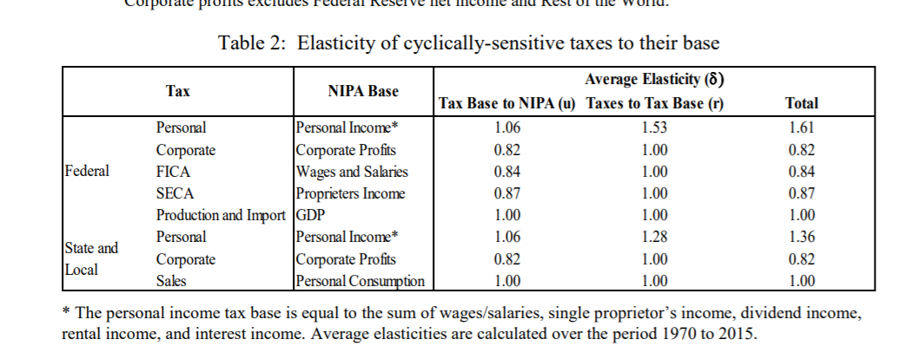
 | Taxes to Tax Base | Tax base to NIPA | Nipa to GDP GAP | R1*R2*R3 | R1*R2 |  | Fed Taxes to Tax Base | Tax Base to NIPA Income
Individual | 1.61 | 1.13 | 1.22 | 2.219546 | 1.8193 |  | 1.61
Corp | 1 | 0.75 | 1.55 | 1.1625 | 0.75 |  | 0.82
FICA | 1 | 0.88 | 1.18 | 1.0384 | 0.88 |  | 0.84
SECA | 1 | 0.81 | 1.54 | 1.2474 | 0.81 |  | 0.87

Production and Import |  | Fed says moves with GDP
State and Local | Personal | 1.06 | 1.28 | 1.3568
 | corporate | 0.82 | 1 | 0.82
 | sales | 1 | 1 | 1 | consumption
NOTE: Personal income falling less because of checks which are not taxable. Take them out of personal income.
% Change | 2020Q1 | 2020Q2 | 2020Q3 | 2020Q4 | 2021Q1 | 2021Q2 | 2021Q3 | 2021Q4
GDP | -2.0% | -12.6% | -10.6% | -9.7% | -9.1% | -8.6% | -7.9% | -7.8% | -9.5%
Income, Personal (NOTE) | -0.8% | 0.1% | -1.5% | -4.9% | -6.7% | -7.2% | -7.6% | -7.7% | -5.1% | NOTE: take some out for stimulus checks-not taxable
Wages and Salaries | -0.6% | -8.7% | -7.8% | -7.5% | -7.4% | -7.1% | -6.9% | -6.8% | -7.5% | -9.5%
Total Prop Income | -0.5% | -13.5% | -8.9% | -9.6% | -13.0% | -12.7% | -14.2% | -14.0% | -12.3% |  |  |  | Figuring out Q3 personal income to figure out taxes
Profits, Corporate, With IVA and CCAdj | -11.8% | -32.7% | -3.3% | -3.4% | -14.0% | -14.8% | -7.8% | -7.5% | -11.9% |  |  |  | Wage were close to keep growth rates
PCE | -3.1% | -14.0% | -8.0% | -6.4% | -6.6% | -6.8% | -7.4% | -7.7% | -8.1% |  |  |  | Down
Pre-COVID (Jan 2020 CBO)
 | 2020Q1 | 2020Q2 | 2020Q3 | 2020Q4 | 2021Q1 | 2021Q2 | 2021Q3 | 2021Q4
Gross Domestic Product (GDP) | 21,993 | 22,218 | 22,455 | 22,694 | 22,921 | 23,142 | 23,359 | 23,583
Income, Personal | 19,100 | 19,249 | 19,439 | 19,628 | 19,882 | 20,075 | 20,263 | 20,457
Wages and Salaries | 9,583 | 9,692 | 9,811 | 9,925 | 10,035 | 10,142 | 10,245 | 10,347
Total Prop Income | 1,714 | 1,713 | 1,728 | 1,745 | 1,763 | 1,780 | 1,796 | 1,816
Profits, Corporate, With IVA & CCAdj | 2,170 | 2,226 | 2,251 | 2,303 | 2,324 | 2,337 | 2,348 | 2,367
Personal Consumption Expenditures | 15,008 | 15,145 | 15,321 | 15,493 | 15,660 | 15,819 | 15,976 | 16,139
Adjust GDP for Q2 release
 | 2020Q1 | 2020Q2 | 2020Q3 | 2020Q4 | 2021Q1 | 2021Q2 | 2021Q3 | 2021Q4
Gross Domestic Product (GDP) | 21561 | 19409 | 20082 | 20489 | 20828 | 21160 | 21514 | 21751 |  |  |  | 1.0006
Income, Personal | 18954 | 20340 | 19144 | 18673 | 18549 | 18630 | 18717 | 18887 |  |  | 19260 | 0.98
Wages and Salaries | 9529 | 8850 | 9042 | 9185 | 9290 | 9420 | 9543 | 9641 |  |  | 0.016144349478
Total Prop Income | 1706 | 1482 | 1574 | 1577 | 1535 | 1554 | 1541 | 1563
Profits, corporate, with IVA and CCADj | 1914 | 1499 | 2177 | 2225 | 2000 | 1991 | 2166 | 2190 | 0 | 0 |  | profits held down in q2? Why?
Personal Consumption Expenditures | 14545 | 13018 | 14101 | 14499 | 14628 | 14739 | 14792 | 14894

July economic forecast
 | 2020Q1 | 2020Q2 | 2020Q3 | 2020Q4 | 2021Q1 | 2021Q2 | 2021Q3 | 2021Q4
Gross Domestic Product (GDP) | 21540 | 19246 | 20082 | 20489 | 20828 | 21160 | 21514 | 21751
Income, Personal | 18942 | 20074 | 19144 | 18673 | 18549 | 18630 | 18717 | 18887 |  |  |  |  | 18774 | 19712.28
Wages and Salaries | 9421 | 8711 | 8900 | 9041 | 9144 | 9272 | 9393 | 9490
Total Prop Income | 1699.6 | 1529.2 | 1624.5 | 1627.8 | 1583.9 | 1603.5 | 1590.9 | 1612.9
Profits, corporate, | 1868 | 1752 | 2177 | 2225 | 2000 | 1991 | 2166 | 2190
Personal Consumption Expenditures | 14556 | 12828 | 13895 | 14287 | 14415 | 14524 | 14576 | 14676

 |  | -36% | 19% | 8% | 7% | 7% | 7% | 4%
 |  | 26% | -17% | -9% | -3% | 2% | 2% | 4%
 |  | -27% | 9% | 6% | 5% | 6% | 5% | 4%
 |  | -34% | 27% | 1% | -10% | 5% | -3% | 6%
 |  | -23% | 138% | 9% | -35% | -2% | 40% | 4%

 |  |  |  |  |  |  |  |  |  |  | 0.18103448276

